BUG_Test Steps
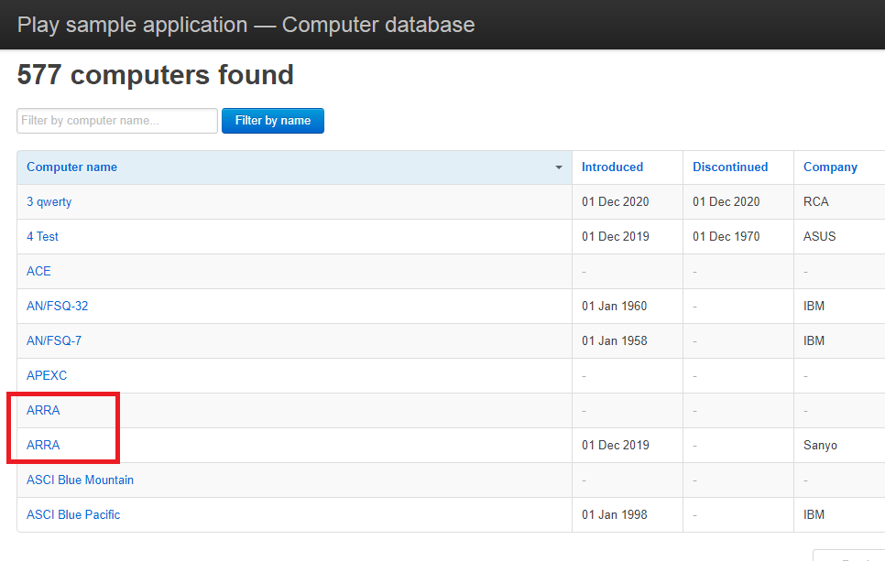
Pre-Conditions
1 | Should have the access to Computer Database application
2 | Should have a web browser installed in computer

Test Procedure
Step No. | Step Procedure | Expected Result | Actual Result
1 | Access the Computer Database application in a web browser with the following link: http://computer-database.herokuapp.com/computers | Homepage is displayed. Lists of computers is displayed | Homepage is displayed. Lists of computers is displayed
2 | Click on the 'Add a new computer' button | Add a computer page is displayed | Add a computer page is displayed
3 | Enter an existing computer name in 'Computer name' field | Should not accept the value | Value was accepted
4 | Enter valid date in 'Introduced date' field | Should accept the value | Value was accepted
5 | Enter valid date in 'Discontinued date' field | Should accept the value | Value was accepted
6 | Select a value in 'Company' field | Should accept the value | Value was accepted
7 | Click on 'Create this computer' button | Should not create a computer with an already existing computer name | Computer was created Message displayed: "Done! (Computer Name) has been created" Number of computers found is updated
End of Test

Screenshot:

